Question 2
From | To | c | f*(To) | f(From, To) | f*(From)
(0,4) | (0, Finish) | 0 | 0 | 0 | 0
(1,4) | (0, Finish) | 3 | 0 | 3 | 3 | Distribution of Commercials
(2,4) | (0, Finish) | 7 | 0 | 7 | 7 | Area 1 | 0
(3,4) | (0, Finish) | 12 | 0 | 12 | 12 | Area 2 | 1
(4,4) | (0, Finish) | 14 | 0 | 14 | 14 | Area 3 | 1
(5,4) | (0, Finish) | 16 | 0 | 16 | 16 | Area 4 | 3
(0,3) | (0,4) | 0 | 0 | 0 | 0
(1,3) | (0,4) | 5 | 0 | 5 | 5 | Total Votes (in thousands): |  | 23
 | (1,4) | 0 | 3 | 3
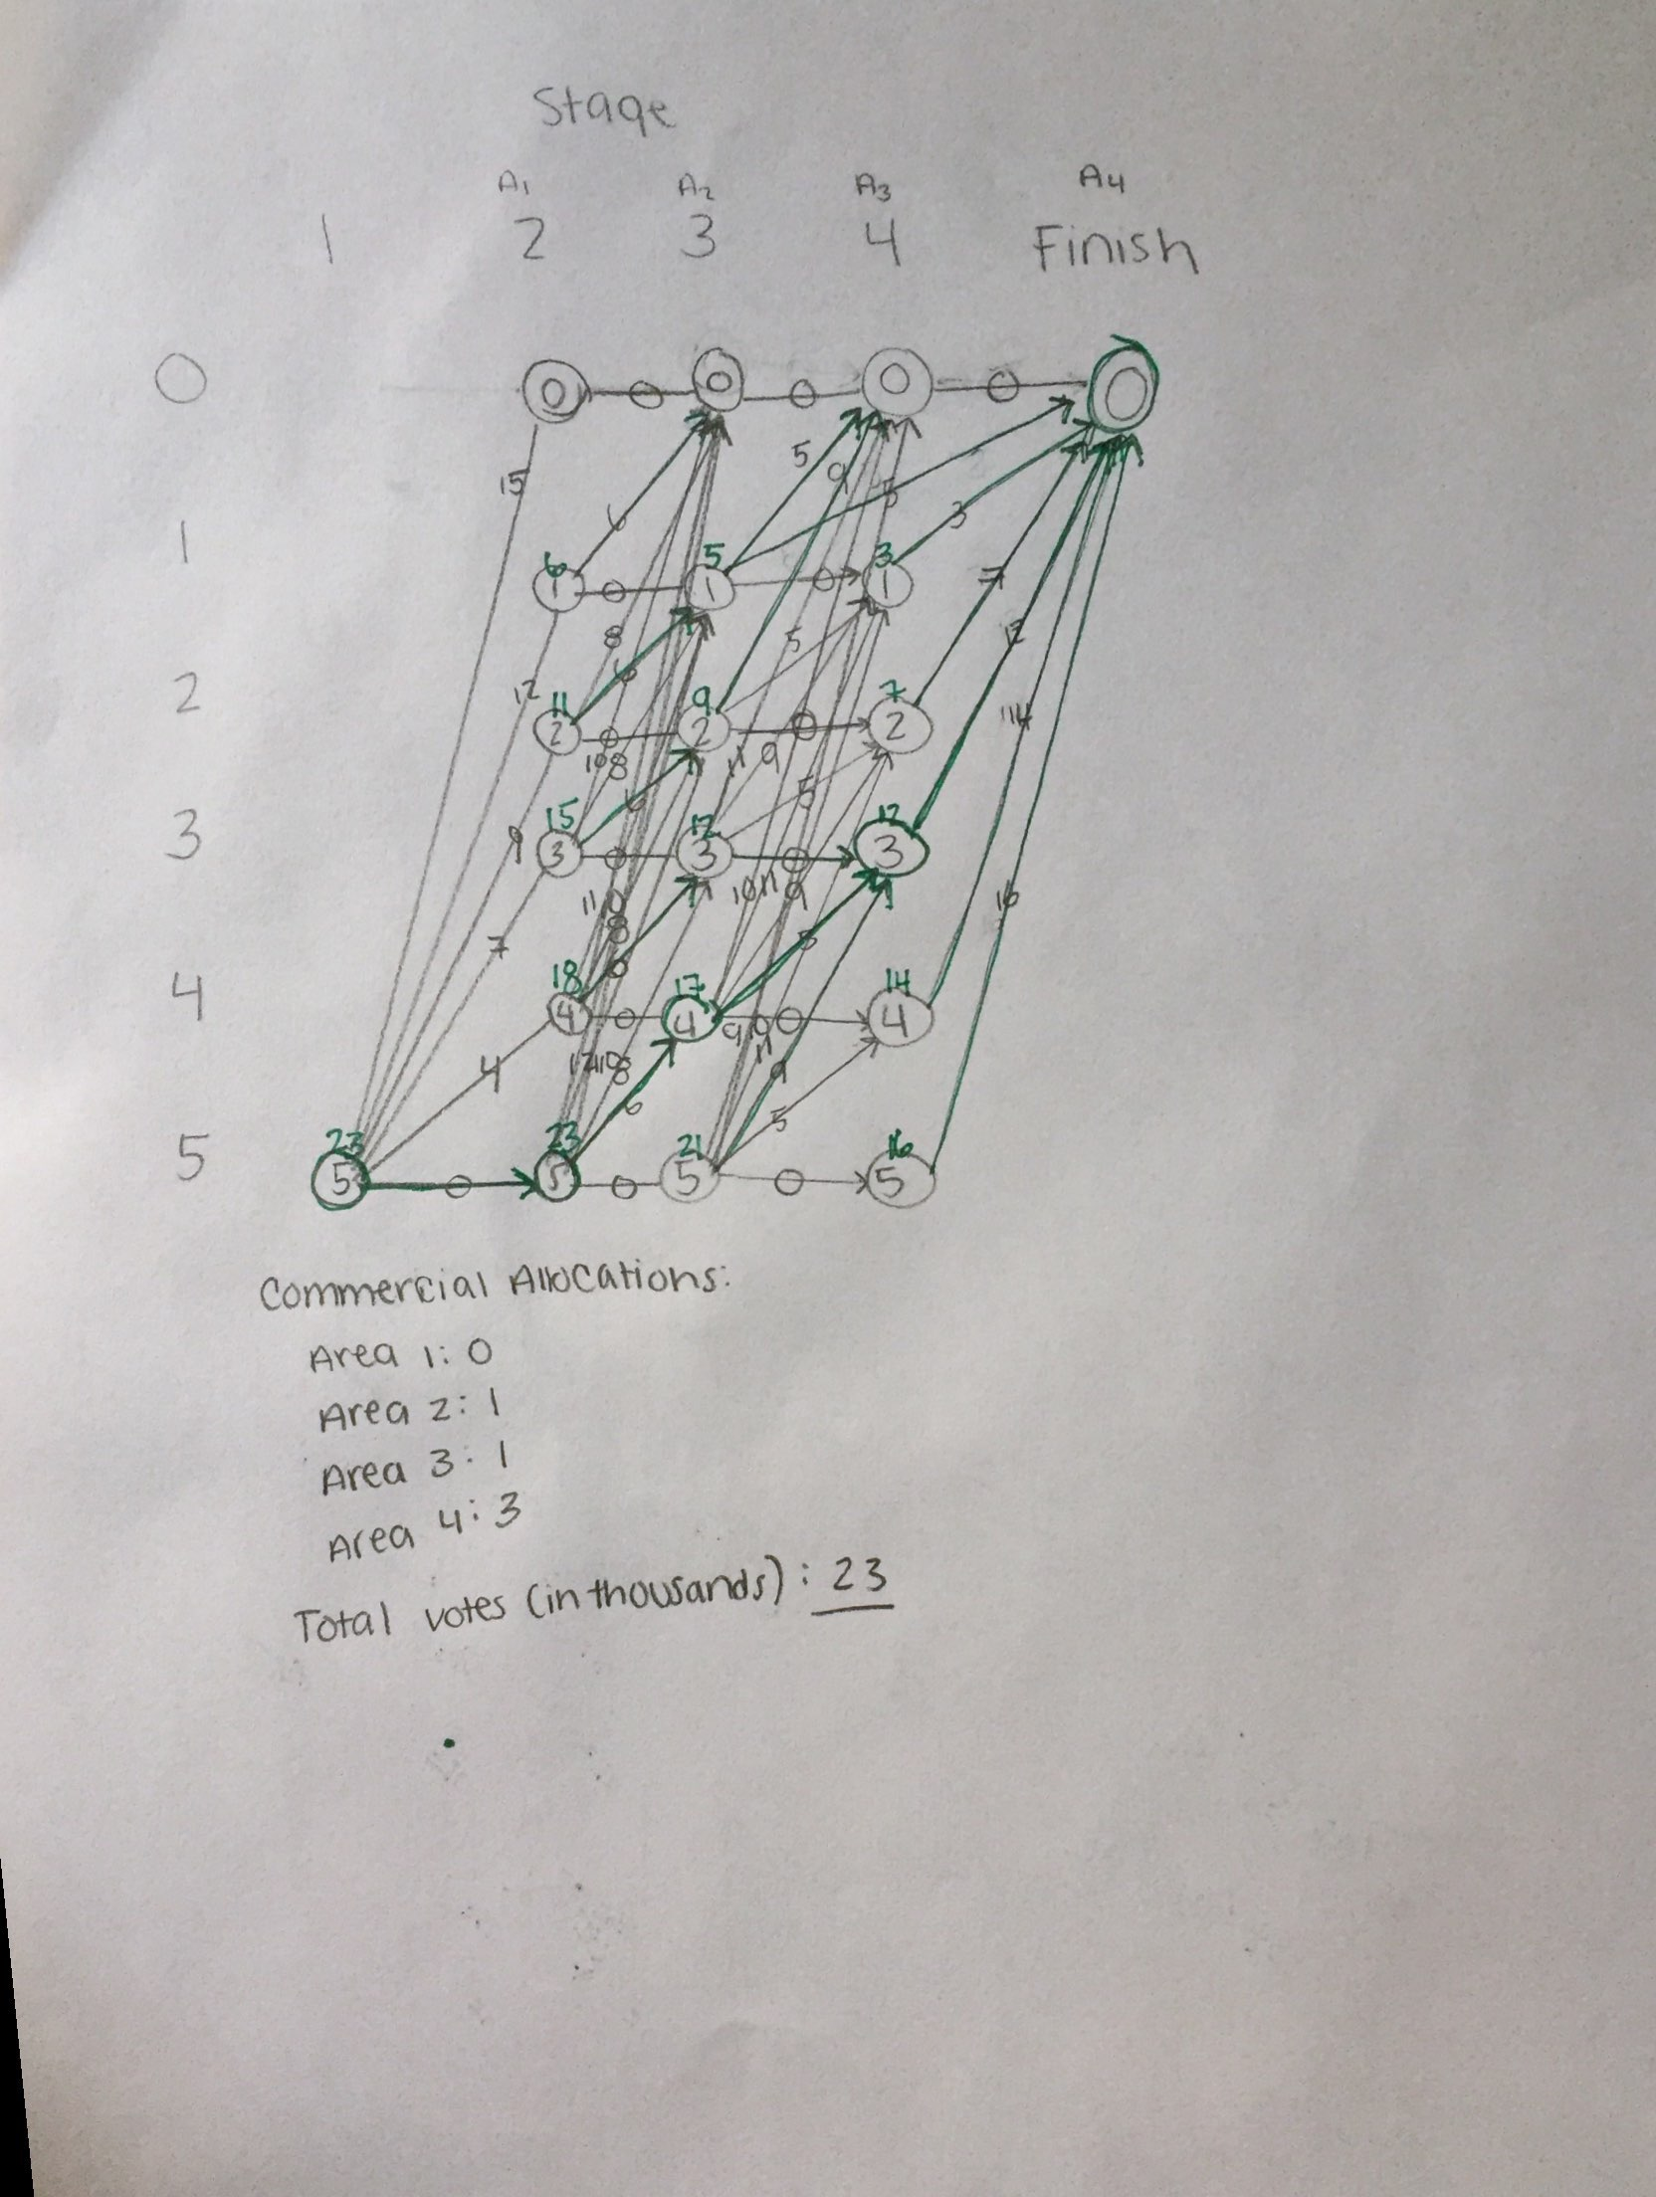
(2,3) | (0,4) | 9 | 0 | 9 | 9
 | (1,4) | 5 | 3 | 8
 | (2,4) | 0 | 7 | 7
(3,3) | (0,4) | 11 | 0 | 11 | 12
 | (1,4) | 9 | 3 | 12
 | (2,4) | 5 | 7 | 12
 | (3,4) | 0 | 12 | 12
(4,3) | (0,4) | 10 | 0 | 10 | 17
 | (1,4) | 11 | 3 | 14
 | (2,4) | 9 | 7 | 16
 | (3,4) | 5 | 12 | 17
 | (4,4) | 0 | 14 | 14
(5,3) | (0,4) | 9 | 0 | 9 | 21
 | (1,4) | 10 | 3 | 13
 | (2,4) | 11 | 7 | 18
 | (3,4) | 9 | 12 | 21
 | (4,4) | 5 | 14 | 19
 | (5,4) | 0 | 16 | 16
(0,2) | (0,3) | 0 | 0 | 0 | 0
(1,2) | (0,3) | 6 | 0 | 6 | 6
 | (1,3) | 0 | 5 | 5
(2,2) | (0,3) | 8 | 0 | 8 | 11
 | (1,3) | 6 | 5 | 11
 | (2,3) | 0 | 9 | 9
(3,2) | (0,3) | 10 | 0 | 10 | 15
 | (1,3) | 8 | 5 | 13
 | (2,3) | 6 | 9 | 15
 | (3,3) | 0 | 12 | 12
(4,2) | (0,3) | 11 | 0 | 11 | 18
 | (1,3) | 10 | 5 | 15
 | (2,3) | 8 | 9 | 17
 | (3,3) | 6 | 12 | 18
 | (4,3) | 0 | 17 | 17
(5,2) | (0,3) | 12 | 0 | 12 | 23
 | (1,3) | 11 | 5 | 16
 | (2,3) | 10 | 9 | 19
 | (3,3) | 8 | 12 | 20
 | (4,3) | 6 | 17 | 23
 | (5,3) | 0 | 21 | 21
(5,1) | (0,2) | 15 | 0 | 15 | 23
 | (1,2) | 12 | 6 | 18
 | (2,2) | 9 | 11 | 20
 | (3,2) | 7 | 15 | 22
 | (4,2) | 4 | 18 | 22
 | (5,2) | 0 | 23 | 23

